Deskripsi
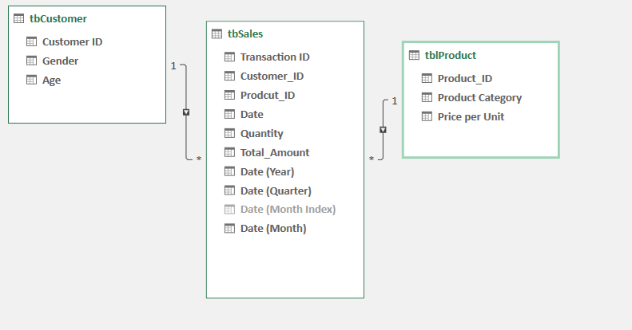

Ritel Sales Dataset

Source

Link : https://www.kaggle.com/datasets/mohammadtalib786/retail-sales-dataset

License :
CC0: Public Domain


LopeeShop
Deskripsi Dataset

Data ini merupakan data ritel dengan fokus pada penjualan dan karakteristik pelanggan. Kumpulan data yang mencakup informasi penjualan yang terjadi di dalam sebuah ritel. Jenis kumpulan data ini dapat mencakup rincian seperti jumlah unit yang terjual, total pendapatan penjualan, jenis produk yang terjual, dan informasi relevan lainnya.
Data penjualan ritel ini berguna untuk berbagai tujuan, seperti menganalisis tren penjualan, mengidentifikasi produk atau kampanye pemasaran yang sukses, dan mengembangkan strategi untuk penjualan di masa depan. Hal ini juga dapat digunakan untuk membandingkan penjualan antara kategori guna memaksimalkan keuntungan ritel dengan melihat trend yang terjadi.

LopeeShop
Kategorisasi Data

Tabel Customer

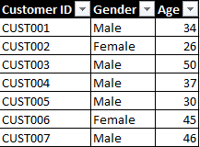
Kuantitatif
(diskrit)

Tabel Product

Kualitatif
(kategorikal)

Kualitatif
(kategorikal)
Kuantitatif
(diskrit)

Tabel Sales
Kuantitatif
(diskrit)
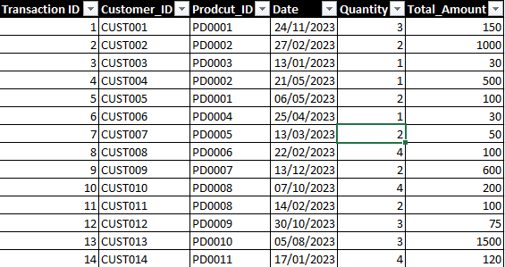

Kuantitatif
(kontinu)

Kualitatif
(kategorikal)

Relasi Tabel

Summary

SALES
REVENUE
2,5 K
$456 K
REPORT
Sales in 2023
Item sold
Sales

Sales by Ages
0 - 19 | 26085
65+ | 80410
30-39 | 96325
20-29 | 97070
40-55 | 156110

34%
+

Penjualan terbanyak dilakukan oleh pelanggan dengan rentang usia 40-55 tahun, dengan total penjualan sebesar sadsadsad

$156 K

Sales by Category
 |  | X
Electronics | 156905 | 849
Clothing | 155580 | 894
Beauty | 143515 | 771
Sales by Gender
 | Total
Female | 232840
Male | 223160

Berdasarkan demografis tersebut, ternyata keuntungan lebih banyak didapat dari pelanggan berjenis kelamin perempuan yaitu sebesar $2 23k dibandingkan laki-laki dengan selisih $98889

$233 K
$10 K
Dalam grafik tersebut ternyata category elektronik merupakan produk dengan penjualan tertinggi yaitu sebesar $157 K.,Dan produk yang paling banyak terjual adalah produk dengan category Clothing, yang terjual sebanyak 999 pcs.

$157 K

894

Most Category Selling by Gender
 | Sum of Total_Amount | Sum of Quantity
Beauty | 74830 | 418
Clothing | 81275 | 441
Electronics | 76735 | 439
Beauty | 68685 | 353
Clothing | 74305 | 453
Electronics | 80170 | 410

Dari grafik tersebut, ternyata produk clothing menghasilkan penjualan tertinggi yang terjual sebanyak 441 dengan total $81 K yang dilakukan oleh perempuan, sedangkan laki-laki lebih tertarik pada produk elektronik dengan jumlah pembelian sebanyak 410 dengan total $80 K. Kemudian dilihat dari aspek lain, ternyata produk beauty untuk laki-laki terlihat kurang baik, karena hanya mampu menjual produk sebanyak 353 saja dengan penjualan sebesar $68,6K.

Trend Selling 2023
 | Beauty | Clothing | Electronics
Jan | 13930 | 13125 | 9925
Feb | 14035 | 14560 | 15465
Mar | 10545 | 15065 | 3380
Apr | 11905 | 13940 | 8025
May | 12450 | 17455 | 23245
Jun | 10995 | 10170 | 15550
Jul | 16090 | 8250 | 11125
Aug | 9790 | 12455 | 14715
Sep | 6320 | 9975 | 7325
Oct | 15355 | 13315 | 17910
Nov | 9700 | 15200 | 10020
Dec | 12400 | 12070 | 20220
Ringkasan
Penjualan

Produk clothing terjadi pada bulan May dengan total penjualan $17.5 K dan penjualan tertinggi untuk produk elektronik terjadi pada bulan May dengan total penjualan $23.3k, sedangkan untuk produk beauty puncak penjualan terjadi pada bulan July dengan total penjualan $16k.

Perilaku Produk Penjualan

Male
 | Beauty | Clothing | Electronics
0 - 19 | 3905 | 3040 | 3865
20-29 | 17845 | 18890 | 12085
30-39 | 14350 | 18460 | 14270
40-55 | 24430 | 21640 | 28180
65+ | 8155 | 12275 | 21770
Female
 | Beauty | Clothing | Electronics
0 - 19 | 5420 | 3775 | 6080
20-29 | 14230 | 20445 | 13575
30-39 | 19035 | 11880 | 18330
40-55 | 26430 | 28390 | 27040
65+ | 9715 | 16785 | 11710

Pelanggan laki-laki dengan kelompok usia 40-55 tahun merupakan pelanggan yang menyumbang total penjualan sebesar $74.3k yang dimana kategori dengan produk elektronik menjadi produk yang paling banyak dibeli dengan total penjualan $28.2k.
Pelanggan wanita dengan kelompok usia 40-55 tahun juga berkontribusi paling besar dalam penjualan dengan total penjualan sebesar $81.9k yang dimana kategori clothing menjadi produk yang paling banyak dibeli dengan total penjualan $28.4k.

RINGKASAN ANALISIS

Pelanggan dengan rentang usia 40 - 55 tahun merupakan pelanggan yang menghasilkan penjualan tertinggi selama periode 2023

Produk elektronik merupakan produk yang paling banyak terjual dan memiliki pasar yang cukup stabil bagi berbagai golongan usia dan juga gender. Oleh karena itu untuk dapat meningkatkan penjualan, dapat dilakukan dengan menambah variasi barang elektronik guna meningkatkan pendapatan

Produk pakaian merupakan produk yang paling banyak terjual sekaligus yang paling stabil, karena dalam tiap bulannya penjualan produk pakaian cenderung stabil, berbeda dengan produk elektronik yang jika dilihat dari garis trend terlihat abstract.

